Sheet1
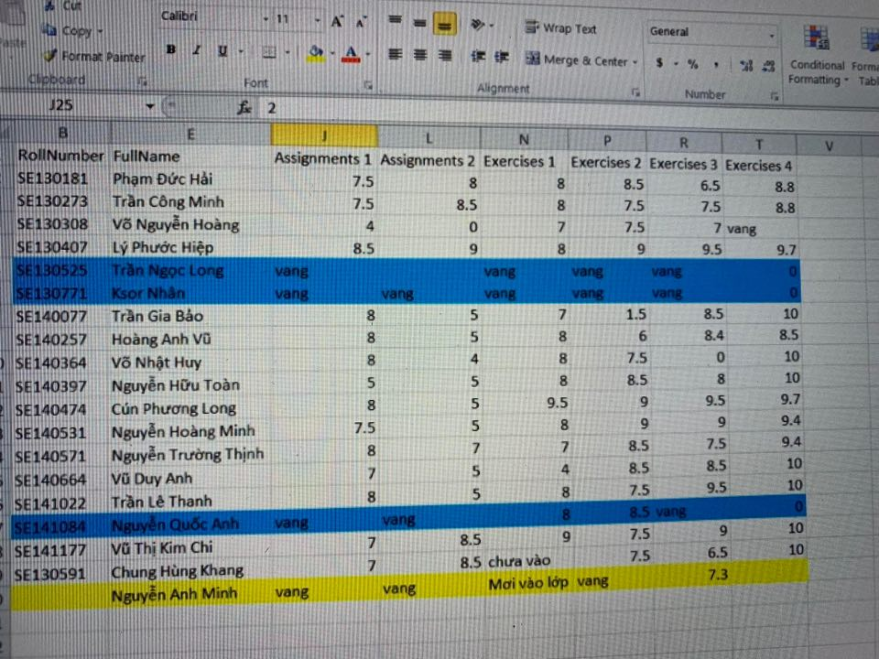
 | Exercise |  |  |  | Asignment |  | Final Exam
Weight | 30% |  |  |  | 30% |  | 40%
Grade item | Ex 1 | Ex 2 | Ex 3 | Ex 4
Mark | 8 | 7.5 | 2 | 8 | 8 | 6 | 4
Average | 1.9125 |  |  |  | 2.1 |  | 1.6
FE min | 4
Course Average | 5.6125
Status | Passed

 |  | 24 | 60

